Recalculation
https://pl.wikibooks.org/wiki/Metody_matematyczne_fizyki/Obr%C3%B3t_uk%C5%82adu_wsp%C3%B3%C5%82rz%C4%99dnych
https://pl.wikipedia.org/wiki/Macierz_obrotu, http://www.dimmension3.spine.pl/modules.php?name=Tutorials&wtd=show_tutorial&nr=19
http://mathworld.wolfram.com/EulerAngles.html
https://en.wikipedia.org/wiki/Euler_angles
CAA V5 for CATIA - Getting Started - Dassault Systèmes
http://170.64.108.154/cd2/Catiav5r24doc/English/online/CATIA_P3_search.htm

Example 1
Rotation matrix |  |  |  |  | Global coordinates

Section view G-G |  |  |  |  | 3d coordinates |  |  |  | Coordinate computation
 | x | y | z |  | x | y | z |  | x' | y' | z'
X1 | 0.53530 | 0.63663 | -0.55512 |  | -72.60 | -123.20 | -41.50 |  | -94.26 | 46.26 | 105.58
Y1 | 0.67630 | -0.71677 | -0.16987 |  | -152.40 | 86.20 | 80.60 |  | -71.44 | -178.55 | -13.03
Z1 | -0.50604 | -0.28449 | -0.81424 |  | 203.70 | 202.40 | 100.80 |  | 181.94 | -24.44 | -242.74
 |  |  |  |  | 223.80 | 205.60 | 180.80 |  | 150.33 | -26.73 | -318.96

 |  |  |  |  | Local coordinates

 |  |  |  |  | Coordinates shifted |  |  |  | Coordinate computation
 |  |  |  |  | x | y | z |  | x' | y' | z'
 |  |  |  |  | 0.00 | 0.00 | 0.00 |  | 0.00 | 0.00 | 0.00
 |  |  |  |  | -79.80 | 209.40 | 122.10 |  | 22.81 | -224.80 | -118.61
 |  |  |  |  | 276.30 | 325.60 | 142.30 |  | 276.20 | -70.69 | -348.32
 |  |  |  |  | 296.40 | 328.80 | 222.30 |  | 244.59 | -72.98 | -424.54

Example 2
2D Point rotated, |  |  |  |  |  |  |  | 3D Point rotated (example-phi, theta and psi angles)
Kąt [deg] | 152 |  |  |  |  |  |  |  | Kąt [deg] | 20 |  |  |  | Kąt [deg] | 63 |  |  |  | Kąt [deg] | 220
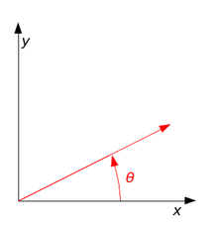
Rad [rad] | 2.652900463 |  |  |  |  |  |  |  | Rad [rad] | 0.3490658504 |  |  |  | Rad [rad] | 1.0995574288 |  |  |  | Rad [rad] | 3.8397243544
x | 24.15 | x' | -42.637 |  |  |  |  |  | x | 103.2 | x' | 156.283 |  | x | 103.2 | x' | 103.200 |  | x | 103.2 | x' | -190.515
y | 45.4 | y' | -28.748 |  |  |  |  |  | y | 173.4 | y' | 127.646 |  | y | 173.4 | y' | 213.086 |  | y | 173.4 | y' | -66.496
Długość wektora |  |  | 51.424 |  |  |  |  |  | z | 150.8 | z' | 150.800 |  | z | 150.8 | z' | -86.039 |  | z | 150.8 | z' | 150.800
Kąt X [deg] |  |  | -146.010

 |  |  |  |  |  |  |  | D | 0.93969262079 | 0.34202014333 | 0 |  | C | 1 | 0 | 0 |  | B | -0.76604444312 | -0.64278760969 | 0
 |  |  | https://pl.wikipedia.org/wiki/Macierz_obrotu |  |  |  |  |  | -0.34202014333 | 0.93969262079 | 0 |  |  | 0 | 0.45399049974 | 0.89100652419 |  |  | 0.64278760969 | -0.76604444312 | 0
 |  |  |  |  |  |  |  |  | 0 | 0 | 1 |  |  | 0 | -0.89100652419 | 0.45399049974 |  |  | 0 | 0 | 1
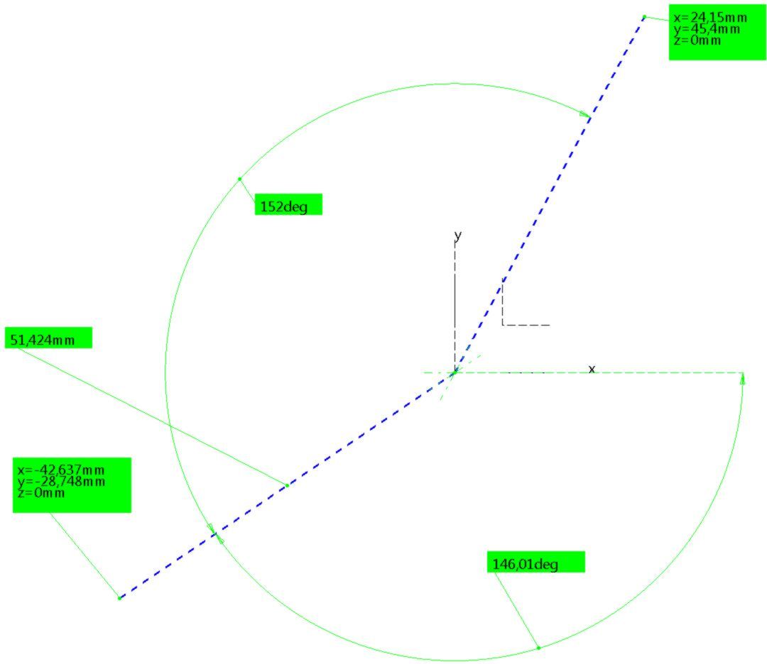
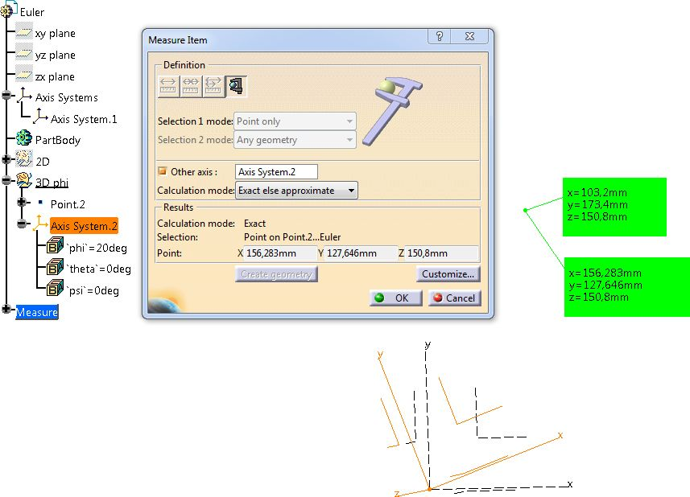
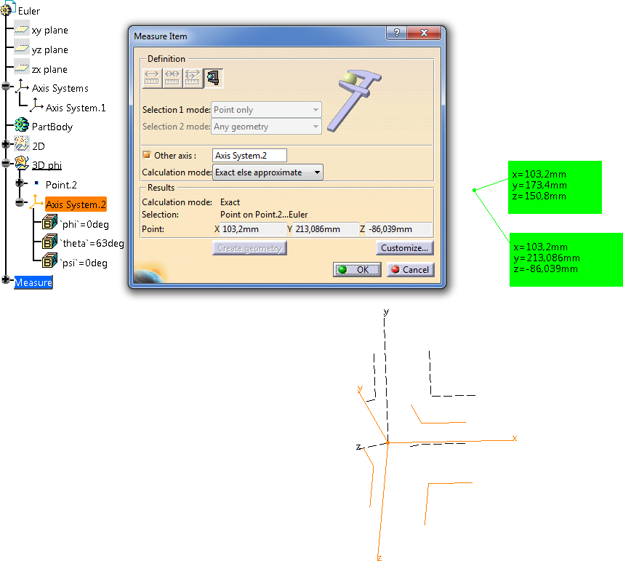
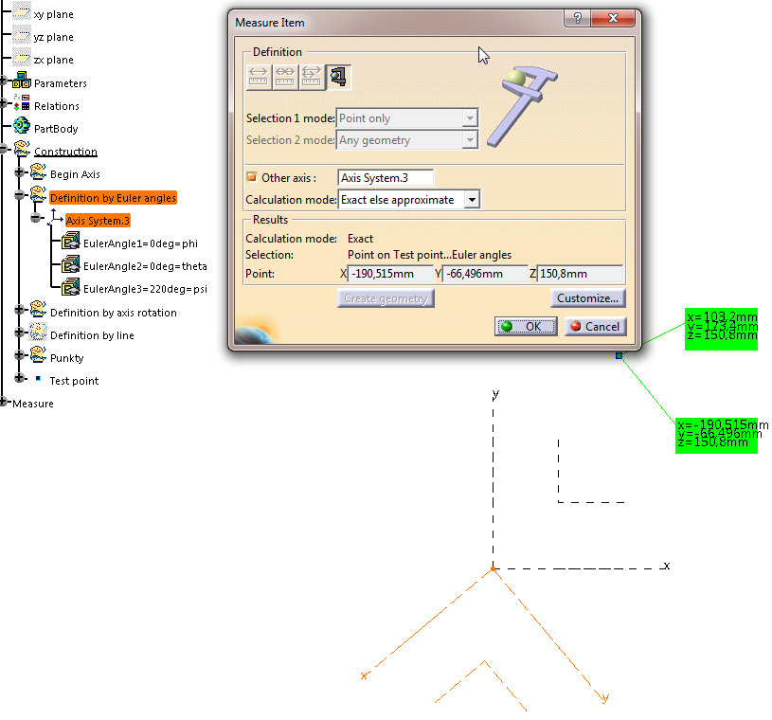
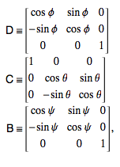

 |  |  |  |  |  |  |  |  |  |  |  |  |  |  |  |  |  |  |  |  |  |  | http://mathworld.wolfram.com/EulerAngles.html

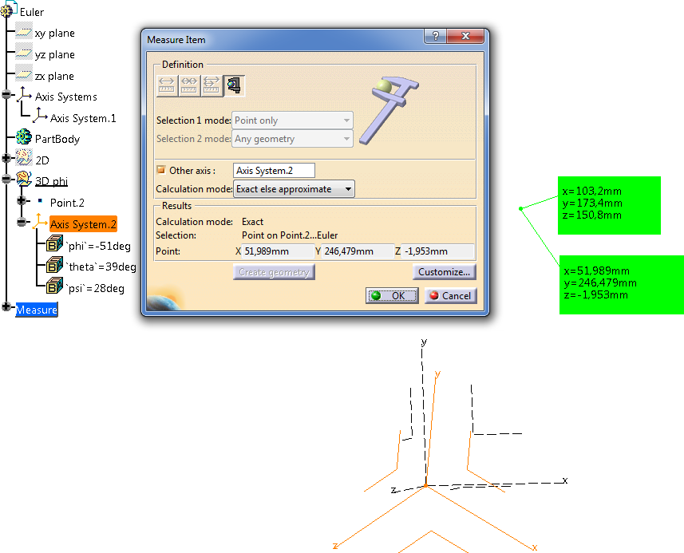
Example 3
Point coordinates computation
Kąt [deg] | -51 | phi |  | Kąt [deg] | 39 | theta |  | Kąt [deg] | 28 | psi
Rad [rad] | -0.89011791852 |  |  | Rad [rad] | 0.68067840828 |  |  | Rad [rad] | 0.48869219056

D |  |  |  | C |  |  |  | B
0.62932039105 | -0.77714596146 | 0 |  | 1 | 0 | 0 |  | 0.88294759286 | 0.46947156279 | 0
0.77714596146 | 0.62932039105 | 0 |  | 0 | 0.77714596146 | 0.62932039105 |  | -0.46947156279 | 0.88294759286 | 0
0 | 0 | 1 |  | 0 | -0.62932039105 | 0.77714596146 |  | 0 | 0 | 1

B*C |  |  |  | (B*C)*D
0.88294759286 | 0.36484792904 | 0.29544802748 |  | 0.83919701901 | -0.45657291459 | 0.29544802748
-0.46947156279 | 0.68617915597 | 0.55565692441 |  | 0.23781333242 | 0.7966744638 | 0.55565692441
0 | -0.62932039105 | 0.77714596146 |  | -0.48907380037 | -0.39604415459 | 0.77714596146

x | 103.2 | x' | 51.989
y | 173.4 | y' | 246.479
z | 150.8 | z' | -1.953

Example 4
Angles computtations from matrix

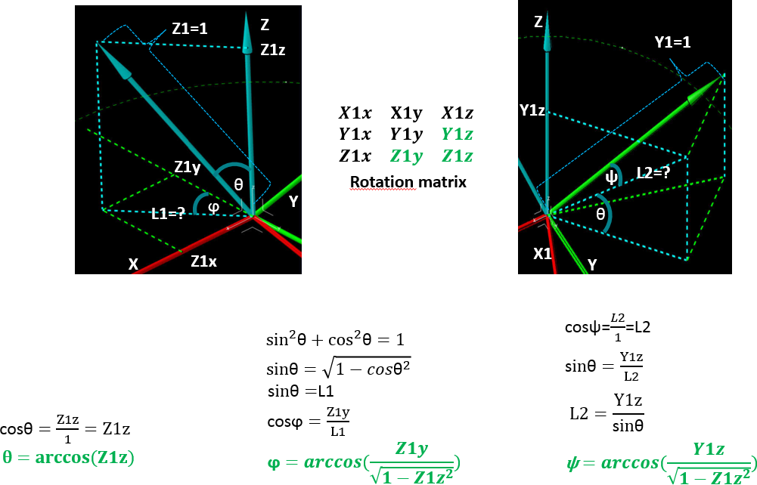

 | x | y | z
X1 | 0.35673811244 | -0.87102821915 | 0.33770958022
Y1 | -0.5965889804 | -0.49059107281 | -0.63513934514
Z1 | 0.71890159797 | 0.025104596932 | -0.69465837046

 |  | rad | deg
 | phi | 1.5358897418 | 91.999999995
 | theta | 2.3387411977 | 134
 | rot | 2.652900463 | 152

